Screenshots
Defect ID | Client Side ID | Severity | Screenshot 1 | Screenshot 2 | Screenshot 3 | Screenshot 4 | Screenshot 5
DE0005 | [ID Used in Client Work tracker] | P0 | 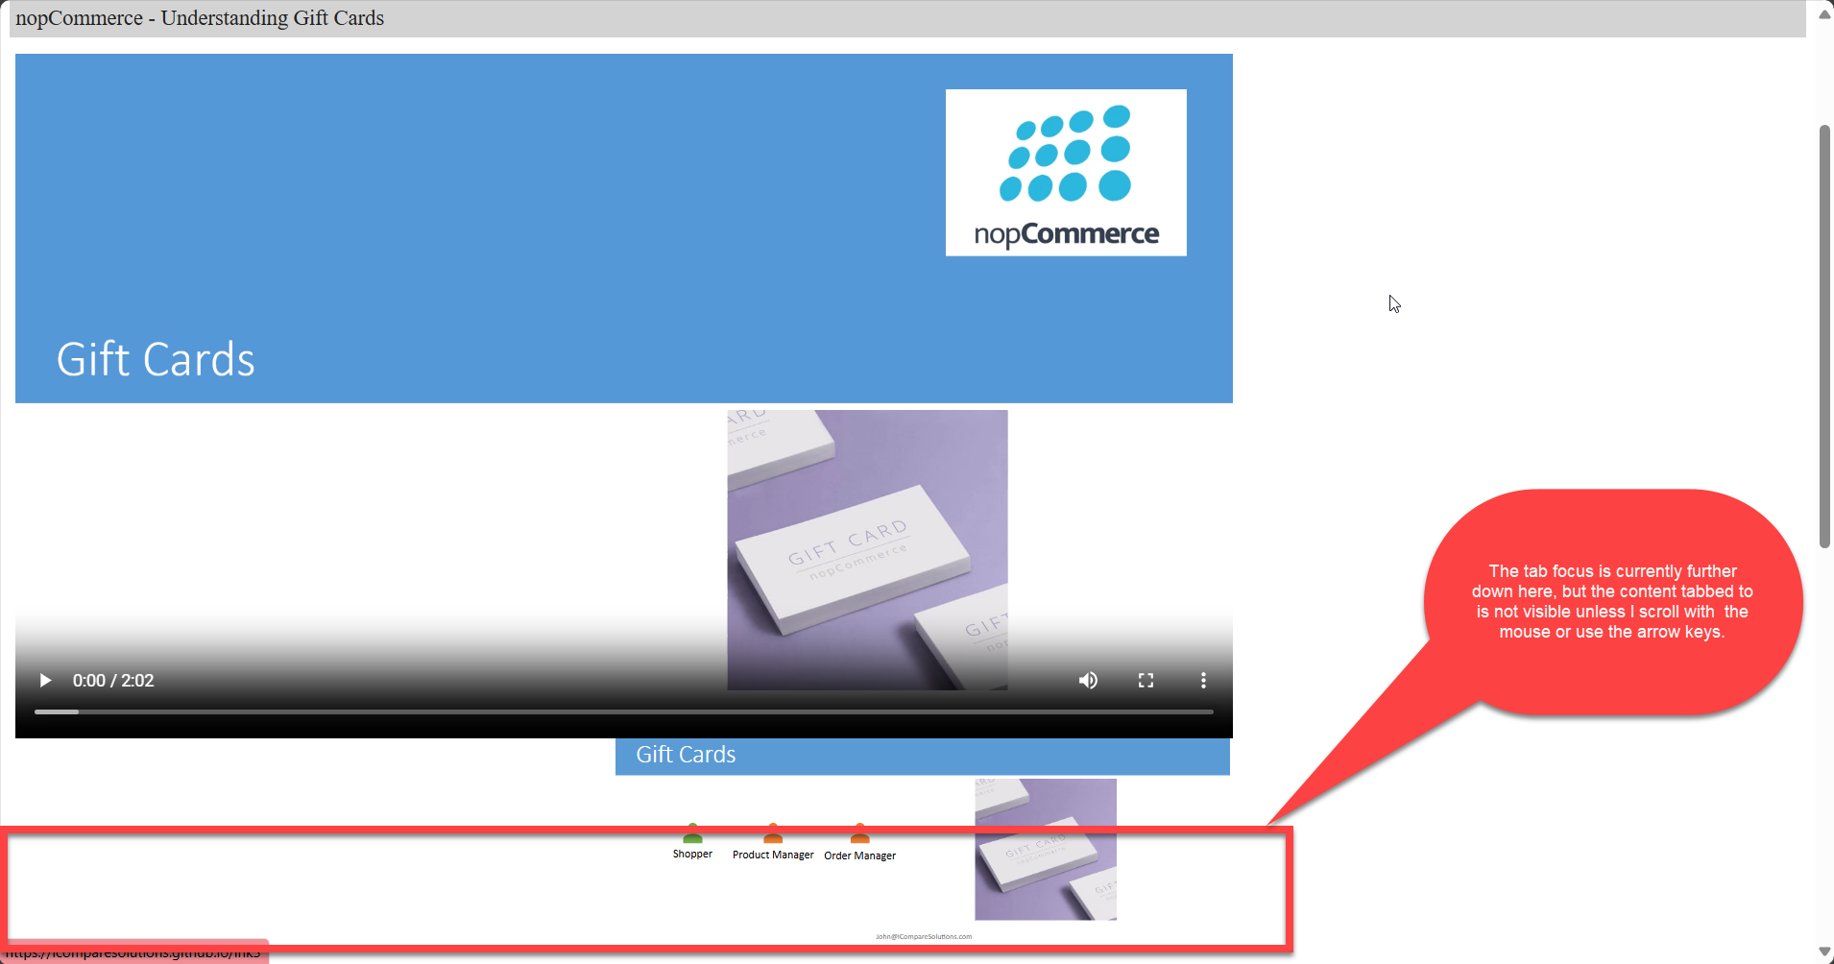 | 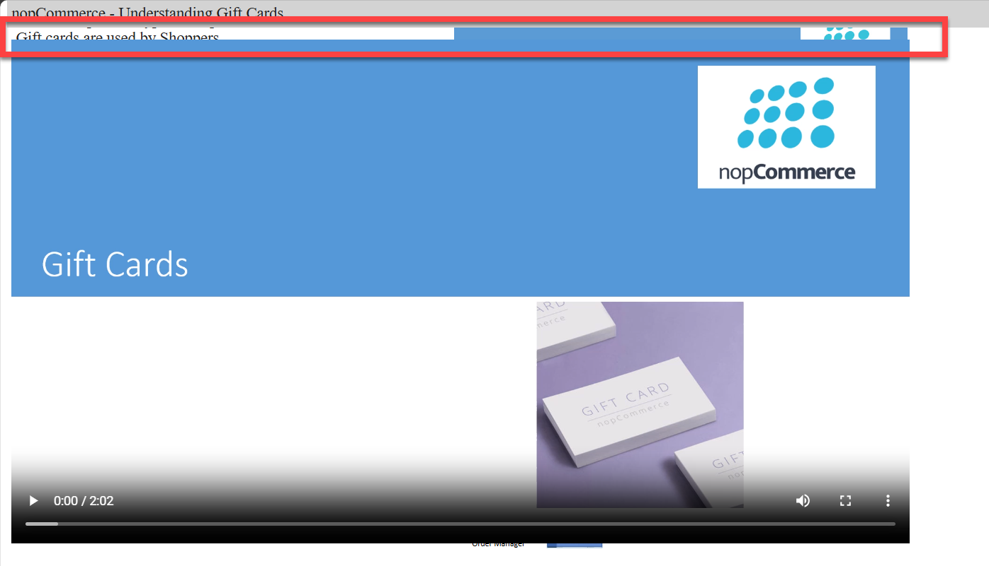 | No screenshots in this cell | No screenshots in this cell | No screenshots in this cell
R0001 |  |  | 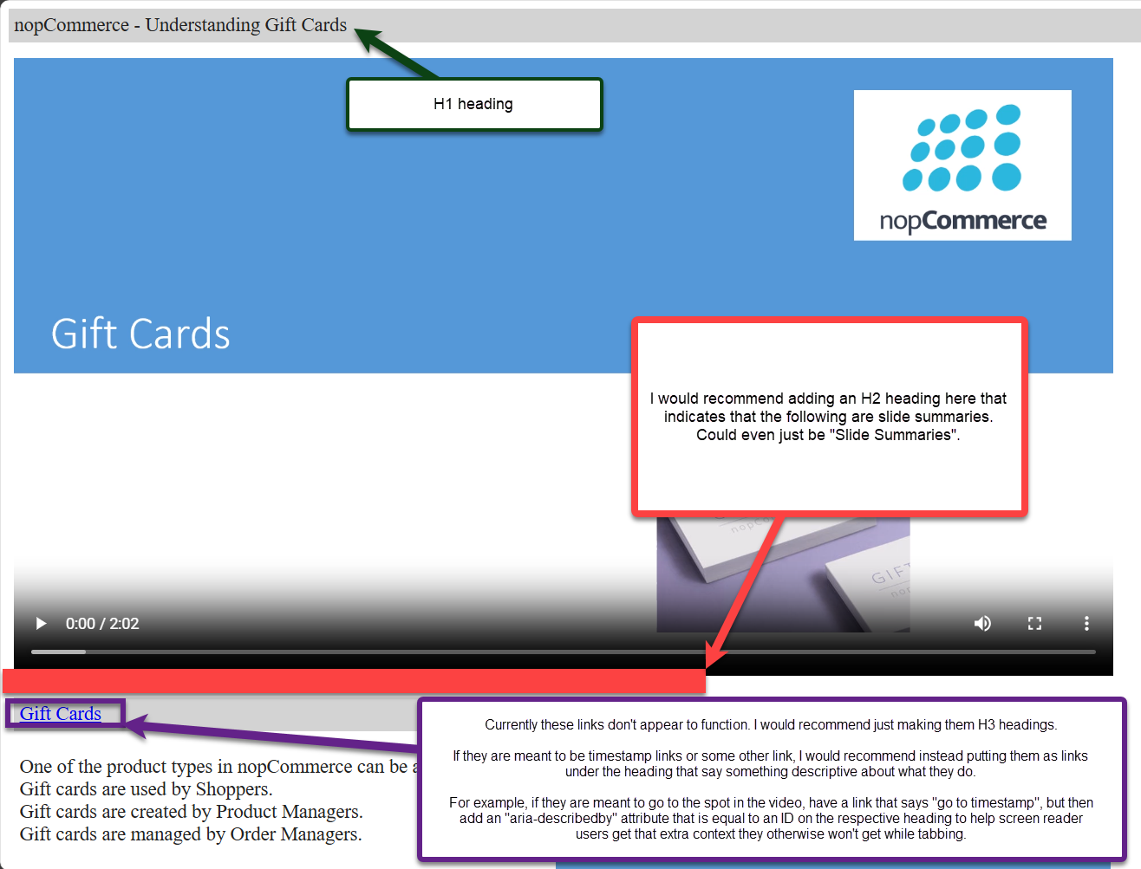 | No screenshots in this cell | No screenshots in this cell | No screenshots in this cell | No screenshots in this cell
DE0008 |  | P4 |  | 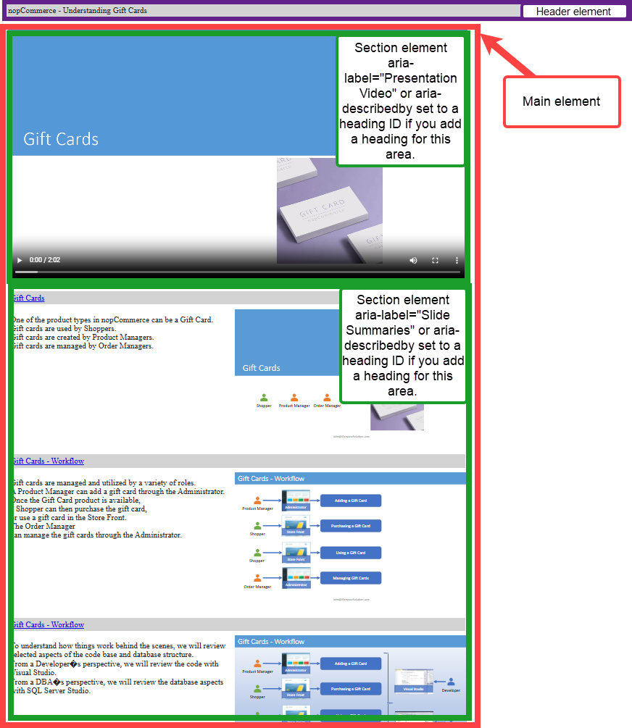 | No screenshots in this cell | No screenshots in this cell | No screenshots in this cell
DE0004 |  | P3 | 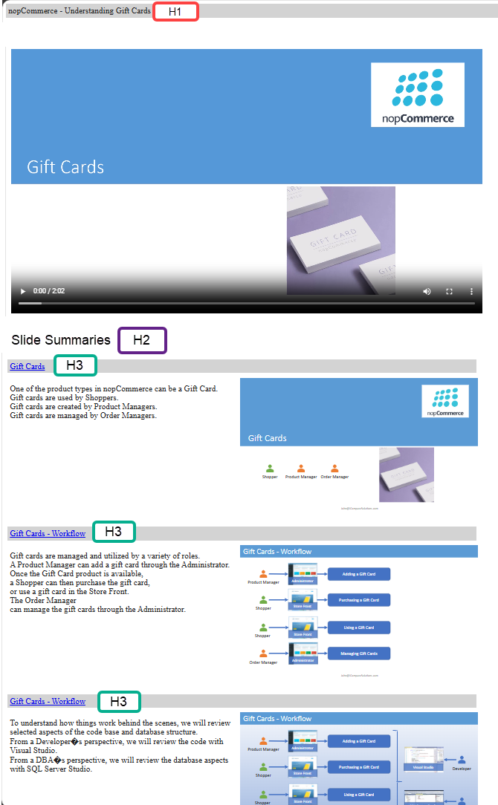 | No screenshots in this cell | No screenshots in this cell | No screenshots in this cell | No screenshots in this cell
DE0009 |  | P3 | 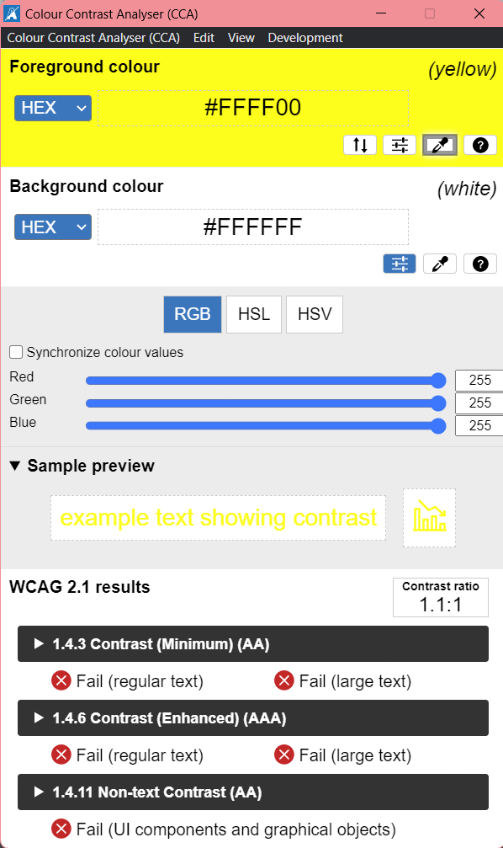 | No screenshots in this cell | No screenshots in this cell | No screenshots in this cell | No screenshots in this cell
R0003 |  | [P0 - P4] |  | No screenshots in this cell | No screenshots in this cell | No screenshots in this cell | No screenshots in this cell

